About
RQSD BAU RPS Qualifying Source Definitions
RQSD RPS Qualifying Source Definitions

Source: | BAU RPS-Qualifying Sources
 | Oregon Department of Energy
 | Renewable Portfolio Standard
 | https://www.oregon.gov/energy/energy-oregon/Pages/Renewable-Portfolio-Standard.aspx
 | Renewable Energy Certificates section

Notes | Below is an excerpt from the above ODOE website detailing which sources qualify as renewables:

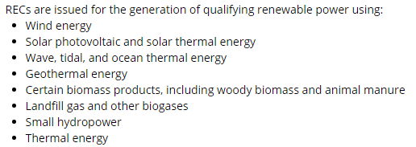

 | These constitute the BAU case for RPS qualification in Oregon.

 | Hydro is not included with reasoning from ODOE:
 | "Most of this hydropower — from dams built decades ago — is not eligible for credit toward the
 | state’s Renewable Portfolio Standard, which was created to encourage the development of new
 | renewable electricity resources."

 | The California model (from which much of the Oregon model is built) finds no change in results
 | or model behavior from changing RPS qualifying definitions. Therefore the BAU qualifying
 | definitions are used and the non-BAU case is carried over from the CA model.

